Literature Calc
Paper: | Charge transfer and adsorption energies in the iodine-Pt(111) interaction
Year | 2005
Author | Tkatchenko

Data | Adsorption Energy (Kcal/Mol)

Model (2*2) I-Pt
Atop | 51.7
bridge | 59.3
hcp | 60.9
fcc | 61.3

Model (3*3) I-Pt
Atop | 51.7
bridge | 59.3
hcp | 60.9
fcc | 61.3

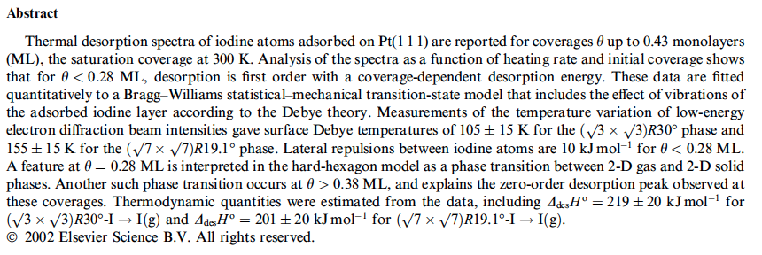

Paper: | Thermal Desorption study of iodine on Pt(111)
Year | 2003
Author | Labayen et al

model (sqrt(3)*sqrt(3)] R 30
Enthalpy of desorption | 199-239 Kj/mol

model (sqrt(7)*sqrt(7)] R19.1
Enthalpy of desorption | 181-222 Kj/mol

